Unit-100 - NG Pre-treating
 | Cost Esimtation Type |  |  |  | Equipment |  |  | Scaling Cost Law (Misc. Items) |  |  |  |  | NG Pre-treating |  |  |  |  |  | NG Pre-treating Diagram

$$C={\left(\frac{n}{n_{0}}\right)}^{e}C_{0}{\left(\frac{S/n}{{S_{0}}/{n_{0}}}\right)}^{f}$$
 |  | Plant Unit Details |  |  | Color Coding |  |  |  |  | C | capacity |  | Description
 | Overview | Name | NG Pre-treating |  |  | Fill In |  |  |  | S | cost |  | Desulphurizer, pre-reformer, heat exchange
 |  | Code | U-100 |  |  | Select |  |  |  | n | nº of trains
 |  | Task | Primary Conversion |  |  | Calculated |  |  |  | e | train exponent
 |  |  |  |  |  | Notes |  |  |  | f | unit exponent

 |  | Input |  |  |  |  |  |  |  |  | Output
 | Unit Code | Equipment | Subtype | Capacity | Pressure | Units | Material | Scaling | Exp. | Other Spec. | CB0 | FP | FM | FBM | CMB | nº units | BEC
 | HEX-101 | Heat Exchanger | Fixed tube, sheet, or U tube | 691.6 | 33.6 | m2 | SS/SS | No | 0.67 | shell and tube | 60533 | 1.14 | 2.73 | 6.78 | 410454 | 1 | 0.41 | 0.65
 | HEX-102 | Heat Exchanger | Fixed tube, sheet, or U tube | 185.7 | 33.6 | m2 | SS/SS | No | 0.67 | shell and tube | 30083 | 1.14 | 2.73 | 6.78 | 203983 | 1 | 0.20 | 0.33
 | HEX-103 | Heat Exchanger | Fixed tube, sheet, or U tube | 232.2 | 33.6 | m2 | Ni/Ni | No | 0.67 | shell and tube | 33301 | 1.14 | 3.73 | 8.67 | 288635 | 1 | 0.29 | 0.46
 | HEX-104 | Heat Exchanger | Fixed tube, sheet, or U tube | 689.9 | 33.6 | m2 | Ni/Ni | No | 0.67 | shell and tube | 60442 | 1.14 | 3.73 | 8.67 | 523873 | 1 | 0.52 | 0.84
 | P-101 | Pump | Centrifugal pump | 15.03 | 37 | kW | CS | No | 0.67 | - | 4627 | 1.6 | 1.55 | 5.3 | 24697 | 2 | 0.05 | 0.08

 |  |  |  |  |  |  |  |  |  |  |  |  |  |  |  |  |  |  | NG Pre-treating Calculations

 |  |  |  |  |  |  |  |  |  |  |  |  |  |  |  |  |  |  | Heat Exchanger Sizing
 |  |  |  |  |  |  |  |  |  |  |  |  |  |  |  |  |  |  | Simulation Input |  |  | Side 1 |  | Side 2 |  | HTC
 |  |  |  |  |  |  |  |  |  |  |  |  |  |  |  |  |  |  | Unit | UA (kJ/hºC) | Type | type/pres. | value | type/pres. | value | U (W/m2K)
 |  |  |  |  |  |  |  |  |  |  |  |  |  |  |  |  |  |  | HEX-101 | 1065980.0452 | gas-evap. | Ph. Ch. | 5000.0 | 33.6 | 468 | 428
 |  |  |  |  |  |  |  |  |  |  |  |  |  |  |  |  |  |  | HEX-102 | 153825.71861 | gas-gas | 32 | 452.5 | 33.6 | 468 | 230
 |  |  |  |  |  |  |  |  |  |  |  |  |  |  |  |  |  |  | HEX-103 | 192394.95772 | gas-gas | 32 | 452.5 | 33.6 | 468 | 230
 |  |  |  |  |  |  |  |  |  |  |  |  |  |  |  |  |  |  | HEX-104 | 571576.20905 | gas-gas | 32 | 452.5 | 33.6 | 468 | 230

 |  | Miscellaneous Items
 | Item Code | Unit Description | Source | Currency | Year | Location | Scaling Parameter | Units | e | f | n0 | S0 | C0 | n | S | C | BEC
 | DS-100 | Desulphurizer | Manzolini [1] | € | 2008 | Western Europe | Thermal Input | MW | 1 | 0.67 | 1 | 413.8 | 0.66 | 1 | 129.0 | 0.30 | 0.33 | 0.33
 | R-100 | Pre-reformer | Manzolini [2] | € | 2005 | Western Europe | Thermal Input | MW | 1 | 0.75 | 1 | 1800.0 | 17.5 | 1 | 129.0 | 2.42 | 3.26 | 3.26
 |  |  |  |  |  |  |  |  |  |  |  |  |  |  |  |  |  |  | Reference |  | W/m2K |  |  |  |  |  | Ref nº | Name | Description
 |  |  |  |  |  |  |  |  |  |  |  |  |  |  |  |  |  |  | Gas at 1 atm |  | 40 |  |  |  |  |  | 1 | Manzolini [1] | https://doi.org/10.1115/GT2006-90353
 | Reactor |  |  | € | 2001 | 0 |  |  |  |  |  |  |  |  | 1.0 | 0.41 | #N/A | #N/A | Pressure Exponent |  | 0.7 |  |  |  |  |  | 2 | Manzolini [2] | https://doi.org/10.1016/j.ijggc.2012.06.021
 | Shell |  |  | € | 2001 | 0 |  |  |  |  |  |  |  |  | 1 | 0.20 | #N/A | #N/A | Liquid |  | 1500 |  |  |  |  |  | 3 | HTC | https://www.engineeringtoolbox.com/heat-transfer-coefficients-exchangers-d_450.html
 |  |  |  |  |  |  |  |  |  |  | Basis | Currency | Year | Location |  | BEC - Source | BEC - Target |  | Phase change |  | 5000
 |  |  |  |  |  |  |  |  |  |  | Turton | $ | 2001 | US Gulf Coast |  | 1.5 | 2.35
 |  |  |  |  |  |  |  |  |  |  | Miscillaneous |  |  |  |  | - | 3.59

BEC Distribution: NG Pre-treating |  |  |  |  |  | Estimate Benchmark: NG Pre-treating

 | NG Pre-treating
HEX-101 | 0.65
HEX-102 | 0.33
HEX-103 | 0.46
HEX-104 | 0.84
P-101 | 0.08
DS-100 | 0.33
R-100 | 3.26

* Change series with estimated rows of column T (values) and column C (names) for comparison |  |  |  |  |  | Ref nº | Name | Description

Unit-200 - GSR
 | Cost Esimtation Type |  |  |  | Equipment |  |  | Scaling Cost Law (Misc. Items) |  |  |  |  | GSR |  |  |  |  |  | GSR Diagram

$$C={\left(\frac{n}{n_{0}}\right)}^{e}C_{0}{\left(\frac{S/n}{{S_{0}}/{n_{0}}}\right)}^{f}$$
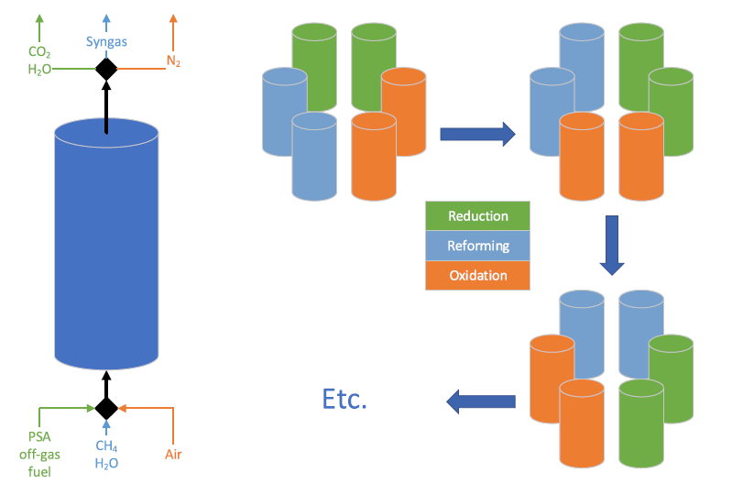
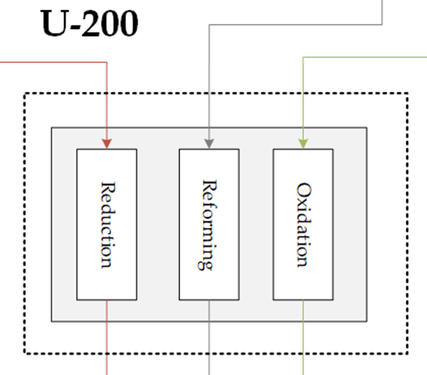
 |  | Plant Unit Details |  |  | Color Coding |  |  |  |  | C | capacity |  | Description
 | Overview | Name | GSR |  |  | Fill In |  |  |  | S | cost |  | Gas Switching Reforming Island
 |  | Code | U-200 |  |  | Select |  |  |  | n | nº of trains
 |  | Task | Primary Conversion |  |  | Calculated |  |  |  | e | train exponent
 |  |  |  |  |  | Notes |  |  |  | f | unit exponent

 |  | Input |  |  |  |  |  |  |  |  | Output
 | Unit Code | Equipment | Subtype | Capacity | Pressure | Units | Material | Scaling | Exp. | Other Spec. | CB0 | FP | FM | FBM | CMB | nº units | BEC
 | Reactor | Vessel | Vertical | 2.51 | 1 | m3 | Ni | No | 0.67 | 1.0 | 4942 | 1.0 | 7.07 | 15 | 74715 | 12 | 1.79 | 2.8600378421
 | Shell | Vessel | Vertical | 7.57 | 32.7 | m3 | CS | No | 0.67 | 1.6 | 9431 | 5.5 | 1 | 12 | 115635 | 12 | 1.39 | 2.2132196805
 |  |  |  |  |  |  |  |  |  |  |  |  |  |  |  |  |  | #VALUE!
 |  |  |  |  |  |  |  |  |  |  |  |  |  |  |  |  |  | #VALUE!
 |  |  |  |  |  |  |  |  |  |  |  |  |  |  |  |  |  | #VALUE!
 |  |  |  |  |  |  |  |  |  |  |  |  |  |  |  |  |  | #VALUE!
 |  |  |  |  |  |  |  |  |  |  |  |  |  |  |  |  |  | #VALUE!
 |  |  |  |  |  |  |  |  |  |  |  |  |  |  |  |  |  | #VALUE!
 |  |  |  |  |  |  |  |  |  |  |  |  |  |  |  |  |  | #VALUE!
 |  |  |  |  |  |  |  |  |  |  |  |  |  |  |  |  |  | #VALUE!
 |  |  |  |  |  |  |  |  |  |  |  |  |  |  |  |  |  | #VALUE!
 |  |  |  |  |  |  |  |  |  |  |  |  |  |  |  |  |  | #VALUE!
 |  |  |  |  |  |  |  |  |  |  |  |  |  |  |  |  |  | #VALUE!
 |  |  |  |  |  |  |  |  |  |  |  |  |  |  |  |  |  | #VALUE!
 |  |  |  |  |  |  |  |  |  |  |  |  |  |  |  |  |  | #VALUE!
 |  |  |  |  |  |  |  |  |  |  |  |  |  |  |  |  |  | #VALUE!
 |  |  |  |  |  |  |  |  |  |  |  |  |  |  |  |  |  | #VALUE!
 |  |  |  |  |  |  |  |  |  |  |  |  |  |  |  |  |  | #VALUE!
 |  |  |  |  |  |  |  |  |  |  |  |  |  |  |  |  |  | #VALUE!
 |  |  |  |  |  |  |  |  |  |  |  |  |  |  |  |  |  | #VALUE!
 |  |  |  |  |  |  |  |  |  |  |  |  |  |  |  |  |  | #VALUE!
 |  |  |  |  |  |  |  |  |  |  |  |  |  |  |  |  |  | #VALUE! | GSR Calculations
 |  |  |  |  |  |  |  |  |  |  |  |  |  |  |  |  |  | #VALUE!
 |  |  |  |  |  |  |  |  |  |  |  |  |  |  |  |  |  | #VALUE! | Process Variables |  |  | Properties
 |  |  |  |  |  |  |  |  |  |  |  |  |  |  |  |  |  | #VALUE! | Outlet flowrate | 782.2 | mol/s | Steel rods ratio | 0.25 | -
 |  |  |  |  |  |  |  |  |  |  |  |  |  |  |  |  |  | #VALUE! | Temperature | 1025 | deg C | Rod density | 7850.0 | kg/m3
 |  |  |  |  |  |  |  |  |  |  |  |  |  |  |  |  |  | #VALUE! | Pressure | 32.7 | bar | Installation Factor | 3.0 | -
 |  |  |  |  |  |  |  |  |  |  |  |  |  |  |  |  |  | #VALUE! | Volumetric flowrate | 2.6 | m3/s | Insulation thickness | 0.3 | m
 |  |  |  |  |  |  |  |  |  |  |  |  |  |  |  |  |  | #VALUE! | Reforming ratio | 0.58 | to total | Reactor Factor | 2 | -
 |  |  |  |  |  |  |  |  |  |  |  |  |  |  |  |  |  | #VALUE! | Total gas flowrate | 4.4 | m3/s | OC Density | 3446 | kg/m3
 |  |  |  |  |  |  |  |  |  |  |  |  |  |  |  |  |  | #VALUE! | Reactor Sizing |  |  | Volume fraction | 0.26 | -
 |  | Miscellaneous Items |  |  |  |  |  |  |  |  |  |  |  |  |  |  |  | 0 | Fluidization velocity | 0.6 | m/s
 | Item Code | Unit Description | Source | Currency | Year | Location | Scaling Parameter | Units | e | f | n0 | S0 | C0 | n | S | C | BEC |  | Reactor surface area | 9.8 | m2
 | INS | Insulation |  | $ | 2020 | US Gulf Coast | Volume | m3 | 1 | 1 | 1 | 1 | 0.002 | 1 | 5.1 | 0.12 | 0.12 | 0.12 | Number of reactors | 12.0 | -
 | GSV | Valves |  | $ | 2020 | US Gulf Coast | Flow rate | m3/s | 1 | 0.6 | 1 | 1 | 0.15 | 1 | 0.5 | 2.35 | 2.35 | 2.35 | Reactor diameter | 1.0 | m
 | ROD | Rods |  | € | 2020 | Western Europe | Mass | ton | 1 | 1 | 1 | 1 | 0.0015 | 1 | 59.1 | 0.27 | 0.27 | 0.27 | Aspect ratio | 3.0 | - |  |  |  | Ref nº | Name | Description
 | OC | Oxygen Carrier |  | $ | 2020 | US Gulf Coast | Mass | ton | 1 | 1 | 1 | 1 | 0.015 | 1 | 27.3 | 0.41 | 0.41 | 0.41 |  |  |  |  |  |  | 4 | Nazir [1] | https://doi.org/10.1016/j.energy.2019.07.072
 | Reactor |  |  | $ | 2001 | US Gulf Coast |  |  |  |  |  |  |  |  | 1.0 | 1.79 | 2.86 | 2.86
 | Shell |  |  | $ | 2001 | US Gulf Coast |  |  |  |  |  |  |  |  | 1 | 1.39 | 2.21 | 2.21
 |  |  |  |  |  |  |  |  |  |  | Basis | Currency | Year | Location |  | BEC - Source | BEC - Target
 |  |  |  |  |  |  |  |  |  |  | Turton | $ | 2001 | US Gulf Coast |  | 3.2 | 5.07
 |  |  |  |  |  |  |  |  |  |  | Miscillaneous |  |  |  |  | - | 3.15

BEC Distribution: GSR |  |  |  |  |  | Estimate Benchmark: GSR
 | GSR
Reactor | 2.8600378421
Shell | 2.2132196805
INS | 0.12133455799
GSV | 2.3513716121
ROD | 0.26613364889
OC | 0.40889655278

* Change series with estimated rows of column T (values) and column C (names) for comparison |  |  |  |  |  | Ref nº | Name | Description

Unit-300 - Power Cycle
 | Cost Esimtation Type |  |  |  | Equipment |  |  | Scaling Cost Law (Misc. Items) |  |  |  |  | Power Cycle |  |  |  |  |  | Power Cycle Diagram

$$C={\left(\frac{n}{n_{0}}\right)}^{e}C_{0}{\left(\frac{S/n}{{S_{0}}/{n_{0}}}\right)}^{f}$$
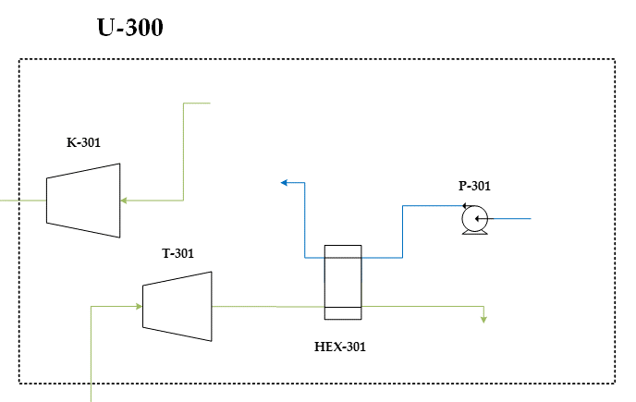
 |  | Plant Unit Details |  |  | Color Coding |  |  |  |  | C | capacity |  | Description
 | Overview | Name | Power Cycle |  |  | Fill In |  |  |  | S | cost |  | Power cycle (Oxidation section)
 |  | Code | U-300 |  |  | Select |  |  |  | n | nº of trains
 |  | Task | Power Generation |  |  | Calculated |  |  |  | e | train exponent
 |  |  |  |  |  | Notes |  |  |  | f | unit exponent

 |  | Input |  |  |  |  |  |  |  |  | Output
 | Unit Code | Equipment | Subtype | Capacity | Pressure | Units | Material | Scaling | Exp. | Other Spec. | CB0 | FP | FM | FBM | CMB | nº units | BEC
 | K-301 | Compressor | Axial | 6434.7 | - | kW | CS | yes | 0.67 | - | 999395 | - | - | 3.83 | 3827684 | 1 | 3.83 | 6.1050742042
 | T-301 | Turbine | Axial | 7513.4 | - | kW | SS | yes | 0.67 | - | 589445 | - | - | 6.13 | 3613300 | 1 | 3.61 | 5.7631354588
 | HEX-301 | Heat Exchanger | Fixed tube, sheet, or U tube | 1018.6 | 1 | m2 | CS/CS | yes | 0.67 | tube only | 77922 | 1.00 | 1 | 3.29 | 256362 | 1 | 0.26 | 0.40889168714
 | P-301 | Pump | Centrifugal pump | 6.11E-01 | 6 | kW | CS | No | 0.67 | - | 2425 | 1.0 | 1.55 | 3.98 | 9659 | 2 | 0.02 | 0.030811626772
 | D-301 | Drive | Explosion Proof | 1078.7 | - | kW | N/A | No | 0.67 | - | 128972 | - | - | 1.50 | 193458 | 1 | 0.19 | 0.30856104204
 |  |  |  |  |  |  |  |  |  |  |  |  |  |  |  |  |  | #VALUE!
 |  |  |  |  |  |  |  |  |  |  |  |  |  |  |  |  |  | #VALUE!
 |  |  |  |  |  |  |  |  |  |  |  |  |  |  |  |  |  | #VALUE!
 |  |  |  |  |  |  |  |  |  |  |  |  |  |  |  |  |  | #VALUE!
 |  |  |  |  |  |  |  |  |  |  |  |  |  |  |  |  |  | #VALUE!
 |  |  |  |  |  |  |  |  |  |  |  |  |  |  |  |  |  | #VALUE!
 |  |  |  |  |  |  |  |  |  |  |  |  |  |  |  |  |  | #VALUE!
 |  |  |  |  |  |  |  |  |  |  |  |  |  |  |  |  |  | #VALUE!
 |  |  |  |  |  |  |  |  |  |  |  |  |  |  |  |  |  | #VALUE!
 |  |  |  |  |  |  |  |  |  |  |  |  |  |  |  |  |  | #VALUE!
 |  |  |  |  |  |  |  |  |  |  |  |  |  |  |  |  |  | #VALUE!
 |  |  |  |  |  |  |  |  |  |  |  |  |  |  |  |  |  | #VALUE!
 |  |  |  |  |  |  |  |  |  |  |  |  |  |  |  |  |  | #VALUE!
 |  |  |  |  |  |  |  |  |  |  |  |  |  |  |  |  |  | #VALUE!
 |  |  |  |  |  |  |  |  |  |  |  |  |  |  |  |  |  | #VALUE!
 |  |  |  |  |  |  |  |  |  |  |  |  |  |  |  |  |  | #VALUE!
 |  |  |  |  |  |  |  |  |  |  |  |  |  |  |  |  |  | #VALUE! | Power Cycle Calculations
 |  |  |  |  |  |  |  |  |  |  |  |  |  |  |  |  |  | #VALUE!
 |  |  |  |  |  |  |  |  |  |  |  |  |  |  |  |  |  | #VALUE! | Heat Exchanger Sizing
 |  |  |  |  |  |  |  |  |  |  |  |  |  |  |  |  |  | #VALUE! | Simulation Input |  |  | Side 1 |  | Side 2 |  | HTC
 |  |  |  |  |  |  |  |  |  |  |  |  |  |  |  |  |  | #VALUE! | Unit | UA (kJ/hºC) | Type | type/pres. | value | type/pres. | value | U (W/m2K)
 |  |  |  |  |  |  |  |  |  |  |  |  |  |  |  |  |  | #VALUE! | HEX-301 | 145511.8381 | gas-evap. | Ph. Ch. | 5000.0 | 1 | 40 | 40
 |  |  |  |  |  |  |  |  |  |  |  |  |  |  |  |  |  | #VALUE!
 |  |  |  |  |  |  |  |  |  |  |  |  |  |  |  |  |  | #VALUE!
 |  |  |  |  |  |  |  |  |  |  |  |  |  |  |  |  |  | #VALUE!
 |  |  |  |  |  |  |  |  |  |  |  |  |  |  |  |  |  | #VALUE!
 |  | Miscellaneous Items |  |  |  |  |  |  |  |  |  |  |  |  |  |  |  | 0
 | Item Code | Unit Description | Source | Currency | Year | Location | Scaling Parameter | Units | e | f | n0 | S0 | C0 | n | S | C | BEC

 |  |  |  |  |  |  |  |  |  |  |  |  |  |  |  |  |  |  | Reference |  | W/m2K |  |  |  |  |  | Ref nº | Name | Description
 |  |  |  |  |  |  |  |  |  |  |  |  |  |  |  |  |  |  | Gas at 1 atm |  | 40
 | Reactor |  |  | 0 | 2001 | 0 |  |  |  |  |  |  |  |  | 1.0 | 3.83 | #N/A |  | Pressure Exponent |  | 0.7
 | Shell |  |  | 0 | 2001 | 0 |  |  |  |  |  |  |  |  | 1 | 3.61 | #N/A |  | Liquid |  | 1500
 |  |  |  |  |  |  |  |  |  |  | Basis | Currency | Year | Location |  | BEC - Source | BEC - Target |  | Phase change |  | 5000
 |  |  |  |  |  |  |  |  |  |  | Turton | $ | 2001 | US Gulf Coast |  | 7.9 | 12.62
 |  |  |  |  |  |  |  |  |  |  | Miscillaneous |  |  |  |  | -

BEC Distribution: Power Cycle |  |  |  |  |  | Estimate Benchmark: Power Cycle

* Change series with estimated rows of column T (values) and column C (names) for comparison |  |  |  |  |  | Ref nº | Name | Description

Unit-400 - WGS
 | Cost Esimtation Type |  |  |  | Equipment |  |  | Scaling Cost Law (Misc. Items) |  |  |  |  | WGS |  |  |  |  |  | WGS Diagram

$$C={\left(\frac{n}{n_{0}}\right)}^{e}C_{0}{\left(\frac{S/n}{{S_{0}}/{n_{0}}}\right)}^{f}$$
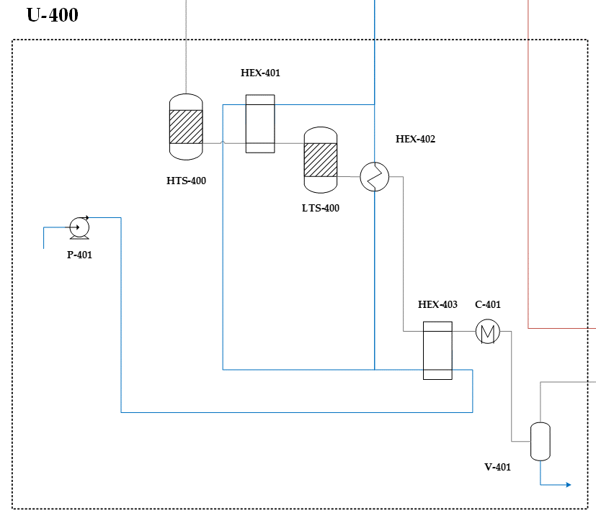
 |  | Plant Unit Details |  |  | Color Coding |  |  |  |  | C | capacity |  | Description
 | Overview | Name | WGS |  |  | Fill In |  |  |  | S | cost |  | Water Gas Shift train
 |  | Code | U-400 |  |  | Select |  |  |  | n | nº of trains
 |  | Task | Secondary Conversion |  |  | Calculated |  |  |  | e | train exponent
 |  |  |  |  |  | Notes |  |  |  | f | unit exponent

 |  | Input |  |  |  |  |  |  |  |  | Output
 | Unit Code | Equipment | Subtype | Capacity | Pressure | Units | Material | Scaling | Exp. | Other Spec. | CB0 | FP | FM | FBM | CMB | nº units | BEC
 | HTS-400 Reactor | Vessel | Vertical | 34.385 | 1 | m3 | SS | No | 0.67 | 2.47 | 27540 | 1.000 | 3.11 | 8 | 217851 | 1 | 0.22 | 0.34746730911
 | HTS-400 Shell | Vessel | Vertical | 37.7 | 31 | m3 | CS | No | 0.67 | 2.57 | 29627 | 8.093 | 1 | 17 | 503049 | 1 | 0.50 | 0.80235154087
 | LTS-400 Reactor | Vessel | Vertical | 1.176 | 1 | m3 | SS | No | 0.67 | 0.92 | 3385 | 1.000 | 3.11 | 8 | 26773 | 1 | 0.03 | 0.042702408229
 | LTS-400 Shell | Vessel | Vertical | 25.2455 | 31 | m3 | CS | No | 0.67 | 1.02 | 21749 | 3.513 | 1 | 9 | 188003 | 1 | 0.19 | 0.29985996812
 | HEX-401 | Heat Exchanger | Fixed tube, sheet, or U tube | 153.46 | 35 | m2 | CS/SS | No | 0.67 | shell and tube | 27744 | 1.14 | 1.81 | 5.06 | 140510 | 1 | 0.14 | 0.22411109987
 | HEX-402 | Heat Exchanger | Fixed tube, sheet, or U tube | 78.41 | 35 | m2 | CS/SS | No | 0.67 | shell and tube | 21732 | 1.14 | 1.81 | 5.06 | 110062 | 1 | 0.11 | 0.17554702265
 | HEX-403 | Heat Exchanger | Fixed tube, sheet, or U tube | 132.33 | 37 | m2 | CS/SS | No | 0.67 | shell and tube | 26144 | 1.15 | 1.81 | 5.09 | 133128 | 1 | 0.13 | 0.21233598394
 | P-401 | Pump | Centrifugal pump | 15.03 | 35 | kW | CS | No | 0.67 | - | 4628 | 1.6 | 1.55 | 5.26 | 24348 | 2 | 0.05 | 0.077669341904
 | V-401 | Vessel | Vertical | 3.81 | 32 | m3 | SS Clad | No | 0.67 | 1.57 | 6221 | 5.286 | 1.74 | 19 | 118145 | 1 | 0.12 | 0.18843851913
 | C-401 | Heat Exchanger | Fixed tube, sheet, or U tube | 100.4 | 30 | m2 | CS/SS | No | 0.67 | tube only | 23599 | 1.04 | 1.81 | 4.74 | 111949 | 1 | 0.11 | 0.17855580303
 |  |  |  |  |  |  |  |  |  |  |  |  |  |  |  |  |  | #VALUE!
 |  |  |  |  |  |  |  |  |  |  |  |  |  |  |  |  |  | #VALUE!
 |  |  |  |  |  |  |  |  |  |  |  |  |  |  |  |  |  | #VALUE!
 |  |  |  |  |  |  |  |  |  |  |  |  |  |  |  |  |  | #VALUE!
 |  |  |  |  |  |  |  |  |  |  |  |  |  |  |  |  |  | #VALUE!
 |  |  |  |  |  |  |  |  |  |  |  |  |  |  |  |  |  | #VALUE!
 |  |  |  |  |  |  |  |  |  |  |  |  |  |  |  |  |  | #VALUE!
 |  |  |  |  |  |  |  |  |  |  |  |  |  |  |  |  |  | #VALUE!
 |  |  |  |  |  |  |  |  |  |  |  |  |  |  |  |  |  | #VALUE!
 |  |  |  |  |  |  |  |  |  |  |  |  |  |  |  |  |  | #VALUE!
 |  |  |  |  |  |  |  |  |  |  |  |  |  |  |  |  |  | #VALUE!
 |  |  |  |  |  |  |  |  |  |  |  |  |  |  |  |  |  | #VALUE! | WGS Calculations
 |  |  |  |  |  |  |  |  |  |  |  |  |  |  |  |  |  | #VALUE!
 |  |  |  |  |  |  |  |  |  |  |  |  |  |  |  |  |  | #VALUE! | WGS parameters |  |  | Knock Out Drum
 |  |  |  |  |  |  |  |  |  |  |  |  |  |  |  |  |  | #VALUE! | WGS catalyst costs | 16100 | $/m3 | Item | vg (m3/s) | vl (m3/s) | pl (kg/m3) | pv (kg/m3) | D (m) | A (m2) | Vg (m3) | Vl (m3) | Pressure (bar)
 |  |  |  |  |  |  |  |  |  |  |  |  |  |  |  |  |  | #VALUE! | Insulation cost | 2000 | $/m3 | V-401 | 0.57 | 0.00 | 1009.33 | 13.88 | 1.57 | 1.93 | 3.01 | 0.79 | 32
 |  |  |  |  |  |  |  |  |  |  |  |  |  |  |  |  |  | #VALUE! | catalyst density | 4500 | kg/m3
 |  |  |  |  |  |  |  |  |  |  |  |  |  |  |  |  |  | #VALUE! |  |  |  | Heat Exchanger |  |  | Side 1 |  | Side 2 |  | HTC
 |  |  |  |  |  |  |  |  |  |  |  |  |  |  |  |  |  | #VALUE! |  |  |  | Unit | UA (kJ/hºC) | Type | type/pres. | value | type/pres. | value | U (W/m2K)
 |  |  |  |  |  |  |  |  |  |  |  |  |  |  |  |  |  | #VALUE! |  |  |  | HEX-401 | 242805.42499 | gas-evap. | Ph. Ch. | 5000.0 | 35 | 482 | 439
 |  |  |  |  |  |  |  |  |  |  |  |  |  |  |  |  |  | #VALUE! | Reactor Sising |  |  | HEX-402 | 124064.34317 | gas-evap. | Ph. Ch. | 5000.0 | 35 | 482 | 439
 |  | Miscellaneous Items |  |  |  |  |  |  |  |  |  |  |  |  |  |  |  | 0 | Item | Reacto Vessel 1 | Reactor Vessel 2 | HEX-403 | 178897.37443 | gas-lq | Liquid | 1500.0 | 37 | 501 | 376
 | Item Code | Unit Description | Source | Currency | Year | Location | Scaling Parameter | Units | e | f | n0 | S0 | C0 | n | S | C | BEC |  | Volume (m3) | 26.45 | 1.2 | C-401 | 417,029.31 | cond-liq | Liquid | 1500.0 | Ph. Ch. | 5000 | 1154
 | INS 1 | Insulation |  | $ | 2020 | US Gulf Coast | Volume | m3 | 1 | 1 | 1 | 1 | 0.002 | 1 | 3.4 | 0.01 | 0.01 |  | factor | 30% | 30%
 | INS 2 | Insulation |  | $ | 2020 | US Gulf Coast | Volume | m3 | 1 | 1 | 1 | 1 | 0.002 | 1 | 0.9 | 0.00 | 0.00 |  | Voidage | 0.3 | 0.5 | Reference |  | W/m2K
 | CAT 1 | Catalyst |  | $ | 2020 | US Gulf Coast | Volume of catalyst | m3 | 1 | 1 | 1 | 1 | 0.0161 | 1 | 24.1 | 0.39 | 0.39 |  | Aspec Ratio | 2.92 | 2.6 | Gas at 1 atm |  | 40 |  |  | Ref nº | Name | Description
 | CAT 2 | Catalyst |  | $ | 2020 | US Gulf Coast | Volume of catalyst | m3 | 1 | 1 | 1 | 1 | 0.0161 | 1 | 0.6 | 0.01 | 0.01 |  | Diameter | 2.47 | 0.92 | Pressure Exponent |  | 0.7 |  |  | 5 | Hla [1] | https://doi.org/10.1016/j.cej.2008.09.023
 | Reactor |  |  | $ | 2001 | US Gulf Coast |  |  |  |  |  |  |  |  | 1.0 | 0.22 | 0.35 |  | Velocity (m/s) | 0.3 | 0.7 | Liquid |  | 1500 |  |  | 6 | Sinnott | Coulson & Richardson
 | Shell |  |  | $ | 2001 | US Gulf Coast |  |  |  |  |  |  |  |  | 1 | 0.50 | 0.80 |  | Insulation Thickness | 0.05 | 0.05 | Phase change |  | 5000
 |  |  |  |  |  |  |  |  |  |  | Basis | Currency | Year | Location |  | BEC - Source | BEC - Target
 |  |  |  |  |  |  |  |  |  |  | Turton | $ | 2001 | US Gulf Coast |  | 1.6 | 2.55
 |  |  |  |  |  |  |  |  |  |  | Miscillaneous |  |  |  |  | - | 0.41

BEC Distribution: WGS |  |  |  |  |  | Estimate Benchmark: WGS
 | WGS
HTS-400 Reactor | 0.34746730911
HTS-400 Shell | 0.80235154087
LTS-400 Reactor | 0.042702408229
LTS-400 Shell | 0.29985996812
HEX-401 | 0.22411109987
HEX-402 | 0.17554702265
HEX-403 | 0.21233598394
P-401 | 0.077669341904
V-401 | 0.18843851913
C-401 | 0.17855580303
INS 1
INS 2
CAT 1
CAT 2

* Change series with estimated rows of column T (values) and column C (names) for comparison |  |  |  |  |  | Ref nº | Name | Description

Unit-500 - H2 Production
 | Cost Esimtation Type |  |  |  | Equipment |  |  | Scaling Cost Law (Misc. Items) |  |  |  |  | H₂ Production |  |  |  |  |  | H₂ Production Diagram

$$C={\left(\frac{n}{n_{0}}\right)}^{e}C_{0}{\left(\frac{S/n}{{S_{0}}/{n_{0}}}\right)}^{f}$$
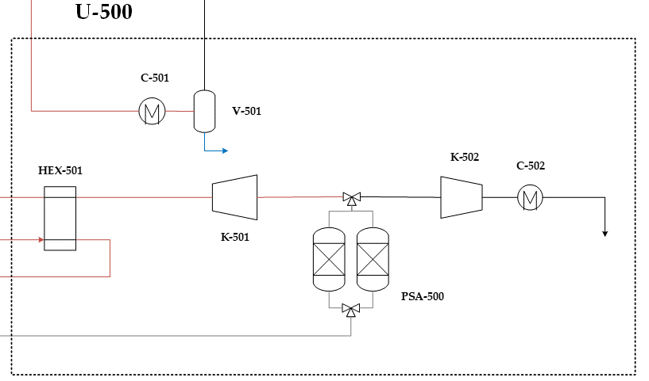
 |  | Plant Unit Details |  |  | Color Coding |  |  |  |  | C | capacity |  | Description
 | Overview | Name | H₂ Production |  |  | Fill In |  |  |  | S | cost |  | PSA, Off gas and H2 compression & Auxiliaries
 |  | Code | U-500 |  |  | Select |  |  |  | n | nº of trains
 |  | Task | Product Conditioning & Storage |  |  | Calculated |  |  |  | e | train exponent
 |  |  |  |  |  | Notes |  |  |  | f | unit exponent

 |  | Input |  |  |  |  |  |  |  |  | Output
 | Unit Code | Equipment | Subtype | Capacity | Pressure | Units | Material | Scaling | Exp. | Other Spec. | CB0 | FP | FM | FBM | CMB | nº units | BEC
 | K-501 | Compressor | Centrifugal | 4240 | - | kW | SS | yes | 0.67 | - | 755716 | - | - | 5.75 | 4345365 | 1 | 4.35 | 6.9307634035
 | D-501 | Drive | Explosion Proof | 4240 | - | kW | N/A | yes | 0.67 | - | 224935 | - | - | 1.50 | 337402 | 1 | 0.34 | 0.53814884197
 | K-502 | Compressor | Centrifugal | 1153 | - | kW | Ni | No | 0.67 | - | 310185 | - | - | 11.45 | 3551618 | 1 | 3.55 | 5.6647541567
 | D-502 | Drive | Explosion Proof | 1153 | - | kW | N/A | No | 0.67 | - | 131781 | - | - | 1.50 | 197672 | 1 | 0.20 | 0.31528204526
 | HEX-501 | Heat Exchanger | Fixed tube, sheet, or U tube | 189.2 | 33 | m2 | Ni/Ni | No | 0.67 | shell and tube | 30333 | 1.13 | 3.73 | 8.65 | 262379 | 1 | 0.26 | 0.418489482
 | C-501 | Heat Exchanger | Fixed tube, sheet, or U tube | 77.8 | 31.8 | m2 | CS/SS | No | 0.67 | tube only | 21674 | 1.04 | 1.81 | 4.75 | 102938 | 1 | 0.10 | 0.16418446225
 | C-502 | Heat Exchanger | Fixed tube, sheet, or U tube | 89.3 | 60 | m2 | CS/Ni | No | 0.67 | tube only | 22670 | 1.06 | 2.68 | 6.35 | 143983 | 1 | 0.14 | 0.2296492511
 | V-501 | Vessel | Vertical | 1.79 | 31 | m3 | SS Clad | No | 0.67 | 1.01 | 4146 | 3.496 | 1.74 | 13 | 55232 | 1 | 0.06 | 0.088094062172
 |  |  |  |  |  |  |  |  |  |  |  |  |  |  |  |  |  | #VALUE!
 |  |  |  |  |  |  |  |  |  |  |  |  |  |  |  |  |  | #VALUE!
 |  |  |  |  |  |  |  |  |  |  |  |  |  |  |  |  |  | #VALUE!
 |  |  |  |  |  |  |  |  |  |  |  |  |  |  |  |  |  | #VALUE!
 |  |  |  |  |  |  |  |  |  |  |  |  |  |  |  |  |  | #VALUE!
 |  |  |  |  |  |  |  |  |  |  |  |  |  |  |  |  |  | #VALUE!
 |  |  |  |  |  |  |  |  |  |  |  |  |  |  |  |  |  | #VALUE!
 |  |  |  |  |  |  |  |  |  |  |  |  |  |  |  |  |  | #VALUE!
 |  |  |  |  |  |  |  |  |  |  |  |  |  |  |  |  |  | #VALUE!
 |  |  |  |  |  |  |  |  |  |  |  |  |  |  |  |  |  | #VALUE!
 |  |  |  |  |  |  |  |  |  |  |  |  |  |  |  |  |  | #VALUE!
 |  |  |  |  |  |  |  |  |  |  |  |  |  |  |  |  |  | #VALUE!
 |  |  |  |  |  |  |  |  |  |  |  |  |  |  |  |  |  | #VALUE!
 |  |  |  |  |  |  |  |  |  |  |  |  |  |  |  |  |  | #VALUE! | H₂ Production Calculations
 |  |  |  |  |  |  |  |  |  |  |  |  |  |  |  |  |  | #VALUE!
 |  |  |  |  |  |  |  |  |  |  |  |  |  |  |  |  |  | #VALUE! | Knock Out Drum
 |  |  |  |  |  |  |  |  |  |  |  |  |  |  |  |  |  | #VALUE! | Item | vg (m3/s) | vl (m3/s) | pl (kg/m3) | pv (kg/m3) | D (m) | A (m2) | Vg (m3) | Vl (m3) | Pressure (bar)
 |  |  |  |  |  |  |  |  |  |  |  |  |  |  |  |  |  | #VALUE! | V-501 | 0.11 | 0.00 | 1013.47 | 66.57 | 1.01 | 0.80 | 0.81 | 0.97 | 31
 |  |  |  |  |  |  |  |  |  |  |  |  |  |  |  |  |  | #VALUE!
 |  |  |  |  |  |  |  |  |  |  |  |  |  |  |  |  |  | #VALUE! | Simulation Input |  |  | Side 1 |  | Side 2 |  | HTC
 |  |  |  |  |  |  |  |  |  |  |  |  |  |  |  |  |  | #VALUE! | Unit | UA (kJ/hºC) | Type | type/pres. | value | type/pres. | value | U (W/m2K)
 |  |  |  |  |  |  |  |  |  |  |  |  |  |  |  |  |  | #VALUE! | Hex 4 | 155782.48619 | gas-gas | 32 | 452.5 | 33 | 462 | 229
 |  |  |  |  |  |  |  |  |  |  |  |  |  |  |  |  |  | #VALUE! | Cooler 2 | 96991.421098 | liq-cond | Liquid | 1500.0 | 31.8 | 451 | 346
 |  | Miscellaneous Items |  |  |  |  |  |  |  |  |  |  |  |  |  |  |  | 0 | H2 Cooler | 153814.24297 | gas-liq | Liquid | 1500.0 | 60 | 703 | 479
 | Item Code | Unit Description | Source | Currency | Year | Location | Scaling Parameter | Units | e | f | n0 | S0 | C0 | n | S | C | BEC
 | PSA-500 | PSA Unit | IEAGHG | € | 2014 | Western Europe | Molar flow | kmol/s | 1 | 0.67 | 1 | 7.3 | 44.00 | 1 | 0.709 | 9.23 | 10.08 | 10.08

 |  |  |  |  |  |  |  |  |  |  |  |  |  |  |  |  |  |  | Reference |  | W/m2K |  |  |  |  |  |  |  | Ref nº | Name | Description
 |  |  |  |  |  |  |  |  |  |  |  |  |  |  |  |  |  |  | Gas at 1 atm |  | 40
 | Reactor |  |  | € | 2001 | 0 |  |  |  |  |  |  |  |  | 1.0 | 4.35 | #N/A |  | Pressure Exponent |  | 0.7
 | Shell |  |  | € | 2001 | 0 |  |  |  |  |  |  |  |  | 1 | 0.34 | #N/A |  | Liquid |  | 1500
 |  |  |  |  |  |  |  |  |  |  | Basis | Currency | Year | Location |  | BEC - Source | BEC - Target |  | Phase change |  | 5000
 |  |  |  |  |  |  |  |  |  |  | Turton | $ | 2001 | US Gulf Coast |  | 9.0 | 14.35
 |  |  |  |  |  |  |  |  |  |  | Miscillaneous |  |  |  |  | - | 10.08

BEC Distribution: H₂ Production |  |  |  |  |  | Estimate Benchmark: PSA Unit
 | H₂ Production
K-501 | 6.9307634035
D-501 | 0.53814884197
K-502 | 5.6647541567
D-502 | 0.31528204526
HEX-501 | 0.418489482
C-501 | 0.16418446225
C-502 | 0.2296492511
V-501 | 0.088094062172
PSA-500 | 10.075062343
PSA-500
 | IEAGHG - Scaling |  | Spallina - Scaling |  | Estimate |  | IEAGHG |  | Spallina
1 | 8.0 | 1 | 8.7 | 0.7 | 10.1 | 7.3 | 48.0 | 4.7 | 33.5
2 | 17.1 | 2 | 17.1
3 | 24.1 | 3 | 23.4
4 | 30.3 | 4 | 28.7
5 | 35.9 | 5 | 33.4
6 | 41.1 | 6 | 37.7
7 | 46.0 | 7 | 41.7
8 | 50.6 | 8 | 45.4
9 | 55.1 | 9 | 49.0
10 | 59.4 | 10 | 52.4

 |  |  |  |  |  | Ref nº | Name | Description
* Change series with estimated rows of column T (values) and column C (names) for comparison |  |  |  |  |  | 6 | Spallina [1] | https://doi.org/10.1016/j.enconman.2016.04.073
 |  |  |  |  |  | 7 | IEAGHG | https://ieaghg.org/docs/General_Docs/Reports/2014-03.pdf

Unit-600 - CO2 CPU
 | Cost Esimtation Type |  |  |  | Equipment |  |  | Scaling Cost Law (Misc. Items) |  |  |  |  | CO₂ CPU |  |  |  |  |  | CO₂ CPU Diagram

$$C={\left(\frac{n}{n_{0}}\right)}^{e}C_{0}{\left(\frac{S/n}{{S_{0}}/{n_{0}}}\right)}^{f}$$
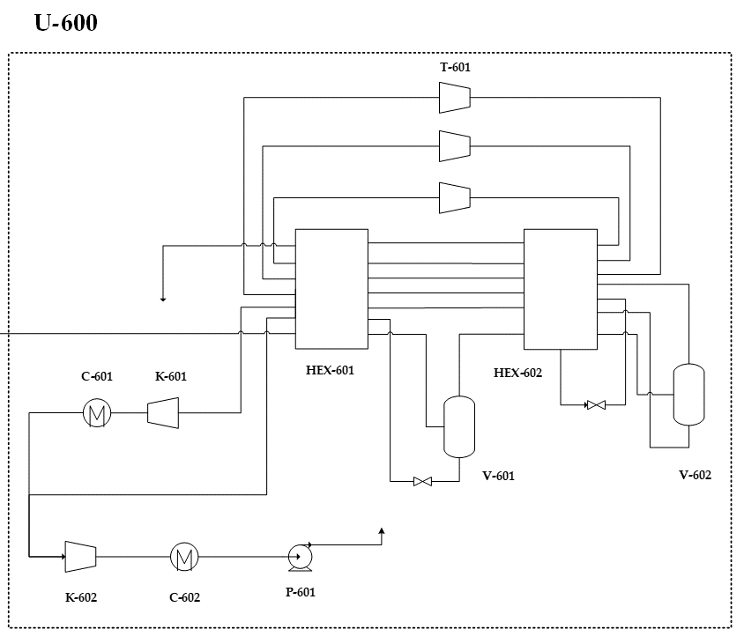
 |  | Plant Unit Details |  |  | Color Coding |  |  |  |  | C | capacity |  | Description
 | Overview | Name | CO₂ CPU |  |  | Fill In |  |  |  | S | cost |  | CO2 Cryogenic Purification Unit
 |  | Code | U-600 |  |  | Select |  |  |  | n | nº of trains
 |  | Task | Product Conditioning & Storage |  |  | Calculated |  |  |  | e | train exponent
 |  |  |  |  |  | Notes |  |  |  | f | unit exponent

 |  | Input |  |  |  |  |  |  |  |  | Output
 | Unit Code | Equipment | Subtype | Capacity | Pressure | Units | Material | Scaling | Exp. | Other Spec. | CB0 | FP | FM | FBM | CMB | nº units | BEC
 | HEX-601 | Heat Exchanger | Fixed tube, sheet, or U tube | 187.7 | 30 | m2 | SS/SS | No | 0.67 | shell and tube | 30226 | 1.12 | 2.73 | 6.70 | 202586 | 1 | 0.20 | 0.32312017113
 | HEX-602 | Heat Exchanger | Fixed tube, sheet, or U tube | 4.0 | 30 | m2 | SS/SS | No | 0.67 | shell and tube | 15893 | 1.12 | 2.73 | 6.70 | 106521 | 1 | 0.11 | 0.16989861956
 | V-601 | Vessel | Vertical | 3.94 | 31 | m3 | SS | No | 0.67 | 0.22 | 6344 | 1.151 | 3.11 | 9 | 55594 | 1 | 0.06 | 0.088671796769
 | V-602 | Vessel | Vertical | 0.07 | 30 | m3 | SS | No | 0.67 | 0.18 | 1334 | 1.003 | 3.11 | 8 | 10580 | 1 | 0.01 | 0.016874948448
 | K-601 | Compressor | Centrifugal | 11.0 | - | kW | SS | No | 0.67 | - | 3936 | - | - | 5.75 | 22634 | 1 | 0.02 | 0.036101463039
 | K-602 | Compressor | Centrifugal | 590.4 | - | kW | SS | No | 0.67 | - | 186338 | - | - | 5.75 | 1071445 | 1 | 1.07 | 1.7089321766
 | D-601 | Drive | Explosion Proof | 601.4 | - | kW | N/A | No | 0.67 | - | 103653 | - | - | 1.50 | 155480 | 1 | 0.16 | 0.24798650634
 | C-401 | Heat Exchanger | Fixed tube, sheet, or U tube | 596.88 | 20 | m2 | CS/SS | No | 0.67 | tube only | 55296 | 1.02 | 1.81 | 4.71 | 260320 | 1 | 0.26 | 0.41520486703
 | C-402 | Heat Exchanger | Fixed tube, sheet, or U tube | 0.75 | 80 | m2 | CS/SS | No | 0.67 | tube only | 23136 | 1.07 | 1.81 | 4.86 | 112326 | 1 | 0.11 | 0.17915720966
 | P-401 | Pump | Centrifugal pump | 96.508701248 | 150 | kW | CS | No | 0.67 | - | 12627 | 2.9 | 1.55 | 7.8659503509 | 99327 | 1 | 0.10 | 0.15842390304
 | T-601 | Turbine | Radial | 38.31 | - | kW | SS | yes | 0.67 | - | 16271 | - | - | 6.13 | 99741 | 1 | 0.10 | 0.15908497683
 | D-602 | Drive | Explosion Proof | 38.31 | - | kW | N/A | No | 0.67 | - | 18053 | - | - | 1.50 | 27079 | 1 | 0.03 | 0.043190457099
 |  |  |  |  |  |  |  |  |  |  |  |  |  |  |  |  |  | #VALUE!
 |  |  |  |  |  |  |  |  |  |  |  |  |  |  |  |  |  | #VALUE!
 |  |  |  |  |  |  |  |  |  |  |  |  |  |  |  |  |  | #VALUE!
 |  |  |  |  |  |  |  |  |  |  |  |  |  |  |  |  |  | #VALUE!
 |  |  |  |  |  |  |  |  |  |  |  |  |  |  |  |  |  | #VALUE!
 |  |  |  |  |  |  |  |  |  |  |  |  |  |  |  |  |  | #VALUE!
 |  |  |  |  |  |  |  |  |  |  |  |  |  |  |  |  |  | #VALUE!
 |  |  |  |  |  |  |  |  |  |  |  |  |  |  |  |  |  | #VALUE!
 |  |  |  |  |  |  |  |  |  |  |  |  |  |  |  |  |  | #VALUE!
 |  |  |  |  |  |  |  |  |  |  |  |  |  |  |  |  |  | #VALUE! | CO₂ CPU Calculations
 |  |  |  |  |  |  |  |  |  |  |  |  |  |  |  |  |  | #VALUE!
 |  |  |  |  |  |  |  |  |  |  |  |  |  |  |  |  |  | #VALUE! | Heat Exchanger Sizing
 |  |  |  |  |  |  |  |  |  |  |  |  |  |  |  |  |  | #VALUE! | Simulation Input |  |  | Side 1 |  | Side 2 |  | HTC
 |  |  |  |  |  |  |  |  |  |  |  |  |  |  |  |  |  | #VALUE! | Unit | UA (kJ/hºC) | Type | type/pres. | value | type/pres. | value | U (W/m2K)
 |  |  |  |  |  |  |  |  |  |  |  |  |  |  |  |  |  | #VALUE! | HEX-601 | 1689128.9191 | gas-evap. | Ph. Ch. | 5000.0 | Ph. Ch. | 5000 | 2500
 |  |  |  |  |  |  |  |  |  |  |  |  |  |  |  |  |  | #VALUE! | HEX-602 | 36237.391252 | gas-evap. | Ph. Ch. | 5000.0 | Ph. Ch. | 5000 | 2500
 |  |  |  |  |  |  |  |  |  |  |  |  |  |  |  |  |  | #VALUE! | C-401 | 574963.17082 | gas-cond | Liquid | 1500.0 | 20 | 326 | 268
 |  |  |  |  |  |  |  |  |  |  |  |  |  |  |  |  |  | #VALUE! | C-402 | 1483.406832 | gas-cond | Liquid | 1500.0 | 80 | 859 | 546
 |  |  |  |  |  |  |  |  |  |  |  |  |  |  |  |  |  | #VALUE! | Knock Out Drum
 |  | Miscellaneous Items |  |  |  |  |  |  |  |  |  |  |  |  |  |  |  | 0 | Item | vg (m3/s) | vl (m3/s) | pl (kg/m3) | pv (kg/m3) | D (m) | A (m2) | Vg (m3) | Vl (m3) | Pressure (bar)
 | Item Code | Unit Description | Source | Currency | Year | Location | Scaling Parameter | Units | e | f | n0 | S0 | C0 | n | S | C | BEC |  | V-601 | 0.01 | 0.01 | 1062.56 | 66.51 | 0.22 | 0.04 | 0.01 | 3.93 | 31
 |  |  |  |  |  |  |  |  |  |  |  |  |  |  |  |  |  |  | V-602 | 0.00 | 0.00 | 1126.38 | 62.66 | 0.18 | 0.02 | 0.00 | 0.07 | 30

 |  |  |  |  |  |  |  |  |  |  |  |  |  |  |  |  |  |  | Reference |  | W/m2K |  |  |  |  |  |  |  | Ref nº | Name | Description
 |  |  |  |  |  |  |  |  |  |  |  |  |  |  |  |  |  |  | Gas at 1 atm |  | 40 |  |  |  |  |  |  |  | 8 | Kolster [1] | https://doi.org/10.1016/j.ijggc.2017.01.014
 | Reactor |  |  | 0 | 2001 | 0 |  |  |  |  |  |  |  |  | 1.0 | 0.20 | #N/A |  | Pressure Exponent |  | 0.7
 | Shell |  |  | 0 | 2001 | 0 |  |  |  |  |  |  |  |  | 1 | 0.11 | #N/A |  | Liquid |  | 1500
 |  |  |  |  |  |  |  |  |  |  | Basis | Currency | Year | Location |  | BEC - Source | BEC - Target |  | Phase change |  | 5000
 |  |  |  |  |  |  |  |  |  |  | Turton | $ | 2001 | US Gulf Coast |  | 2.2 | 3.55
 |  |  |  |  |  |  |  |  |  |  | Miscillaneous |  |  |  |  | -

BEC Distribution: CO₂ CPU |  |  |  |  |  | Estimate Benchmark: CO₂ CPU

* Change series with estimated rows of column T (values) and column C (names) for comparison |  |  |  |  |  | Ref nº | Name | Description

Unit-700 - CWT
 | Cost Esimtation Type |  |  |  | Scaling |  |  | Scaling Cost Law |  |  |  |  | CWT |  |  |  |  | CWT Diagram

$$C={\left(\frac{n}{n_{0}}\right)}^{e}C_{0}{\left(\frac{S/n}{{S_{0}}/{n_{0}}}\right)}^{f}$$
 |  | Plant Unit Details |  |  | Color Coding |  |  |  |  | C | capacity |  | Description
 | Overview | Name | CWT |  |  | Fill In |  |  |  | S | cost |  | Heat Rejection Auxiliaries: Cooling water tower
 |  | Code | U-700 |  |  | Select |  |  |  | n | nº of trains
 |  | Task | Power Generation |  |  | Calculated |  |  |  | e | train exponent
 |  |  |  |  |  | Notes |  |  |  | f | unit exponent

 |  | Reference Details |  |  |  |  |  |  | Reference Scaling Parameters |  |  |  |  | Unit Scaling
 | Unit Code | Unit Description | Source | Currency | Cost Basis (year) | Location | Scaling Parameter | Units | e | f | n0 | S0 | C0 | n | S | C | BEC
 | CWT-700 | Cooling Water Tower | CWT Cost | $ | 2020 | US Gulf Coast | Flow rate | m3/s | 1 | 1 | 1 | 1.0 | 3.17 | 1 | 0.2 | 0.7 | 0.7
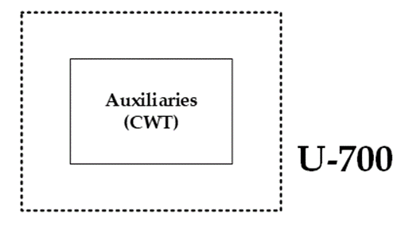

 |  |  |  |  |  |  |  |  |  |  |  |  |  |  |  |  | BEC - Target
 |  |  |  |  |  |  |  |  |  |  |  |  |  |  |  |  | 0.71

CWT-700
BEC Distribution: CWT |  |  |  |  | Estimate Benchmark: CWT |  |  |  | Reference Breakdown
 |  |  |  |  |  |  |  |  | Code | Cost Concept |  |  |  |  |  |  |  |  | 1995 | 381.1 | 1.5825242718
 |  |  |  |  |  |  |  |  | CWT-700 | Cooling Water Tower |  |  |  |  |  |  |  |  | 1996 | 381.7 | 1.580036678
 |  |  |  |  |  |  |  |  |  |  |  |  |  |  |  |  |  |  | 1997 | 386.5 | 1.5604139715

 |  |  |  |  |  |  |  |  |  |  |  |  |  |  |  |  |  |  | 1998 | 389.5 | 1.5483953787
 |  |  |  |  |  |  |  |  |  |  |  |  |  |  |  |  |  |  | 1999 | 390.6 | 1.5440348182
 |  |  |  |  |  |  |  |  |  |  |  |  |  |  |  |  |  |  | 2000 | 394.1 | 1.5303222532
 |  |  |  |  |  |  |  |  |  |  |  |  |  |  |  |  |  |  | 2001 | 394.3 | 1.5295460309
 |  |  |  |  |  |  |  |  |  |  |  |  |  |  |  |  |  |  | 2002 | 395.6 | 1.5245197169
 |  |  |  |  |  |  |  |  |  |  |  |  |  |  |  |  |  |  | 2003 | 402 | 1.5002487562
 |  |  |  |  |  |  |  |  |  |  |  |  |  |  |  |  |  |  | 2004 | 444.2 | 1.357721747
 |  |  |  |  |  |  |  |  |  |  |  |  |  |  |  |  |  |  | 2005 | 468.2 | 1.288124733

 |  |  |  |  |  |  |  |  |  |  |  |  |  |  |  |  |  |  | 2006 | 499.6 | 1.2071657326
 |  |  |  |  |  |  |  |  |  |  |  |  |  |  |  |  |  |  | 2007 | 525.4 | 1.1478873239
 |  |  |  |  |  |  |  |  |  |  |  |  |  |  |  |  |  |  | 2008 | 575.4 | 1.0481404241
 |  |  |  |  |  |  |  |  |  |  |  |  |  |  |  |  |  |  | 2009 | 521.9 | 1.1555853612
 |  |  |  |  |  |  |  |  |  |  |  |  |  |  |  |  |  |  | 2010 | 550.8 | 1.0949527959
 |  |  |  |  |  |  |  |  |  |  |  |  |  |  |  |  |  |  | 2011 | 585.7 | 1.0297080417
 |  |  |  |  |  |  |  |  |  |  |  |  |  |  |  |  |  |  | 2012 | 584.6 | 1.0316455696
 |  |  |  |  |  |  |  |  |  |  |  |  |  |  |  |  |  |  | 2013 | 567.3 | 1.0631059404
 |  |  |  |  |  |  |  |  |  |  |  |  |  |  |  |  |  |  | 2014 | 576.1 | 1.0468668634
 |  |  |  |  |  |  |  |  |  |  |  |  |  |  |  |  |  |  | 2015 | 556.8 | 1.0831537356

 |  |  |  |  | Ref nº | Name | Description
 |  |  |  |  | 9 | CWT Costs | CWT Cost

Plant CAPEX
PLANT CAPEX

Item | Detail | Item 1 | Item 2 | Item 3 | Item 4 | Item 5 | Item 6 | Item 7 | Total
Unit Name | Label | NG Pre-treating | GSR | Power Cycle | WGS | H₂ Production | CO₂ CPU | CWT | GSR-H₂
Unit Code | Label | U-100 | U-200 | U-300 | U-400 | U-500 | U-600 | U-700 | All
Bare Erected Cost (BEC) - Estimate | Adjusted to year, currency & location of Estimate | 5.9 | 8.2 | 12.6 | 3.0 | 24.4 | 3.5 | 0.7 | 58.4
Engineering Procurement & Construction (EPCC) | % of BEC | 0.5 | 0.7 | 1.0 | 0.2 | 2.0 | 0.3 | 0.1 | 4.7
Process Contingency (PC) | % of BEC | 0.0 | 2.5 | 0.0 | 0.0 | 0.0 | 0.0 | 0.0 | 2.5
Project Contingency (PT) | % of (BEC+EPCC+PC) | 1.0 | 1.7 | 2.0 | 0.5 | 4.0 | 0.6 | 0.1 | 9.8
Total Contingency (TC) | PC + PT | 1.0 | 4.2 | 2.0 | 0.5 | 4.0 | 0.6 | 0.1 | 12.3
Total Plant Costs (TPC) | BEC + EPCC + TC | 7.4 | 13.0 | 15.7 | 3.7 | 30.3 | 4.4 | 0.9 | 75.4
Owners's Cost (OC) | % of TPC | 1.1 | 2.0 | 2.4 | 0.6 | 4.6 | 0.7 | 1.0 | 12.2
Total Overnight Costs (TOC) | TPC + OC | 8.5 | 15.0 | 18.0 | 4.2 | 34.9 | 5.1 | 1.9 | 87.6
Total Capital Requirement (TCR) | % of TOC | 9.4 | 16.7 | 20.0 | 4.7 | 38.7 | 5.6 | 4.0 | 99.1

Name | Detail | Item 1 | Item 2 | Item 3 | Item 4 | Item 5 | Item 6 | Item 7
Bare Erected Cost (BEC) | Total Installed Cost | - | - | - | - | - | - | -
Engineering Procurement & Construction (EPCC) | % of BEC | 8% | 8% | 8% | 8% | 8% | 8% | 8%
Process Contingency (PC) | % of BEC | 0% | 30% | 0% | 0% | 0% | 0% | 0%
Project Contingency (PT) | % of (BEC+EPCC+PC) | 15% | 15% | 15% | 15% | 15% | 15% | 15%
Total Contingency (TC) | PC + PT | - | - | - | - | - | - | -
Total Plant Costs (TPC) | BEC + EPCC + TC | - | - | - | - | - | - | -
Owners's Cost (OC) | % of TPC | 15% | 15% | 15% | 15% | 15% | 15% | 115%
Total Overnight Costs (TOC) | TPC + OC | - | - | - | - | - | - | -
Total Capital Requirement (TCR) | 111% of TOC | 111% | 111% | 111% | 111% | 111% | 111% | 211%

Cost Basis of Estimate
Currency | € | Overview
Year | 2020
Location | Western Europe

Cost Summary | Total (M€) | Specific (€/kg/s)
TOC | 87.6 | 91780.3
TCR | 99.1 | 103865.7

Update Total column, removing items will break references | Add Item
 | Remove Item

Plant OPEX
O&M Distribution
Total FOM | 4.27
NG | 26.46
Total VOM (exl. Fuel & CO2 tax) | 6.52
PLANT OPEX |  |  |  |  |  |  |  |  |  |  |  |  |  |  | Bibliography
 |  |  |  |  |  |  |  |  |  |  |  | Color Coding
Overview |  |  |  | ADD | REMOVE |  |  |  |  |  |  |  | Fill In |  | Ref nº | Name | Description
 |  |  | FOM |  |  |  |  |  |  |  |  |  | Select |  | 10 | Nazir [2] | https://doi.org/10.1016/j.ijhydene.2020.01.234
 |  |  | Fuel |  |  |  |  |  |  |  |  |  | Calculated |  | 11 | EBTF | https://zenodo.org/record/1312801#.YMsc5GgzZEY
 |  |  | VOM |  |  |  |  |  |  |  |  |  | Notes
 |  |  | Lists must contain a minimum of 2 Items
 |  |  |  |  |  |  |  |  |  |  |  | Exchange ($/€) | 1.2

 |  |  |  |  |  |  |  |  |  |  |  |  |  |  |  |  |  |  | Auxilliary Calculations
Fixed Operating and Maintenance Costs (FOM) |  |  |  |  |  | Fuel & Raw Material Costs |  |  |  |  |  | Variable Operation and Maintenance Costs (VOM) |  |  |  |  |  | Total FOM | Operating hours | 8766 | h/y
Concept | Value | unit/year | Specific Cost | cost/unit | cost/year | Concept | Value | unit/year | Specific Cost | cost/unit | cost/year | Concept | Value | unit/year | Specific Cost | cost/unit | cost/year | NG | Process Water | 3.84 | kg/s
Operating Labour | 20 | persons | 60000 | €/p-y | 1.20 | NG | 4070646.4 | GJ/y | 6.5 | €/GJ | 26.46 | CO2 Emissions | 13133.6 | t/y | 50 | €/ton | 0.66 | - | Make up Water | 7.67 | kg/s
Maintenance | 87.6 | TOC | 2.5% | %TOC | 2.19 | - |  |  |  |  | 0.00 | Electricity | 43884.6 | MWh/y | 60 | €/MWh | 2.63 | Total VOM (exl. Fuel & CO2 tax) | Catalysts & Chemicals
Insurance | 87.6 | TOC | 1% | %TOC | 0.88 |  |  |  |  |  |  | CO2 Transport & Sotrage | 223593.2 | t/y | 10 | €/ton | 2.24 |  | WGS | 8.22 | m3/y
Total FOM |  |  |  |  | 4.27 |  |  |  |  |  |  | Process Water | 121275.9 | t/y | 6 | €/ton | 0.73 |  | Replacement Period | 3 | y
 |  |  |  |  |  |  |  |  |  |  |  | Make Up Water | 241889.0 | t/y | 0.35 | €/ton | 0.08 |  | OC Carrier | 9.09 | t/y
 |  |  |  |  |  |  |  |  |  |  |  | OC Carrier | 9.1 | t/y | 15000 | $/ton | 0.11 |  | CO2 Captured | 7.09 | kg/s
 |  |  |  |  |  |  |  |  |  |  |  | WGS Catalyst | 8.2 | m3/y | 16100 | $/m3 | 0.11 |  | Electrcity | -5.01 | MW
 |  |  |  |  |  |  |  |  |  |  |  | Adsorbent | 347.2 | kg/y | 1.1 | $/kg | 0.00 |  | LP Steam | 0.816 | kg/s
 |  |  |  |  |  |  |  |  |  |  |  | LP Steam Exports | -25755.8 | t/y | 2.1 | $/ton | -0.05 |  | Ads. | 34.9 | m3 gas/m3 ads
 |  |  |  |  |  |  |  |  |  |  |  | Total VOM (exl. Fuel & CO2 tax) |  |  |  |  | 6.52 |  | gas flow | 16.8 | STDm3/s
 |  |  |  |  |  |  |  |  |  |  |  | CO2 tax |  |  |  |  | 0.00 |  | Replacement Period | 3.0 | years
 |  |  |  |  |  |  |  |  |  |  |  |  |  |  |  |  |  |  | Ads. Density | 0.5 | g/cm3
 |  |  |  |  |  |  |  |  |  |  |  |  |  |  |  |  |  |  | Adsorbetn Replaced | 347.2 | kg/y

Estimate Benchmark
$$C={\left(\frac{n}{n_{0}}\right)}^{e}C_{0}{\left(\frac{S/n}{{S_{0}}/{n_{0}}}\right)}^{f}$$
ESTIMATE BENCHMARK |  |  |  |  |  |  |  |  |  |  |  |  | Scaling Cost Law |  |  |  |  | Color Coding
Estimate Benchmark Details |  |  |  |  |  |  |  |  |  | BENCHMARK ITEMS |  |  |  |  | C | capacity |  |  | Fill In
Overview | Benchmark | BM-1 |  |  |  |  |  |  |  | ADD |  |  |  |  | S | cost |  |  | Select
 | Name | PSA unit |  |  |  |  |  |  |  | REMOVE |  |  |  |  | n | nº of trains |  |  | Calculated
 | Code | PSA-500 |  |  |  |  |  |  |  |  |  |  |  |  | e | train exponent |  |  | Notes
 | Task | Product Conditioning & Storage |  |  |  |  |  |  |  |  |  |  |  |  | f | unit exponent
1
BENCHMARK
Reference / Estimate Information |  |  |  |  |  |  |  | Scaling Parameters |  |  |  |  |  |  |  |  | Bibliography
Label | Description | Source | Currency | Year | Location | Scaling Parameter | Units | e | f | n0 | S0 | C0 | Smax | Smin | n | BEC - Target | Ref. nº | Name | Description
Estimate | Correlated from IEAGHG |  | € | 2020 | Western Europe | Molar flow | kmol/s | 1 | 0.67 | 1 | 0.7 | 10.08 | 10.0 | 0.5 | 1 | 10.1
IEAGHG | Reference | IEAGHG | € | 2014 | Western Europe | Molar flow | kmol/s | 1 | 0.67 | 1 | 7.3 | 44 | 10.0 | 0.5 | 1 | 48.0 | 7 | Spallina | H2 plant assessment
Spallina | Reference | Spallina | € | 2007 | Western Europe | Molar flow | kmol/s | 1 | 0.6 | 1 | 4.7 | 28.0 | 10.0 | 0.5 | 1 | 33.5 | 6 | IEAGHG | H2 plant assessment

BM-1
BM-1

 |  |  |  |  |  |  |  | 0
 |  |  |  |  |  |  |  | Point | 1 | 2 | 3 | 4 | 5 | 6 | 7 | 8 | 9 | 10
 |  |  |  |  |  |  |  | Molar flow (kmol/s) | 1 | 2 | 3 | 4 | 5 | 6 | 7 | 8 | 9 | 10
 |  |  |  |  |  |  |  | Estimate - Scaling | 8.0 | 17.1 | 24.1 | 30.3 | 35.9 | 41.1 | 46.0 | 50.6 | 55.1 | 59.4
 |  |  |  |  |  |  |  | IEAGHG - Scaling | 8.0 | 17.1 | 24.1 | 30.3 | 35.9 | 41.1 | 46.0 | 50.6 | 55.1 | 59.4
 |  |  |  |  |  |  |  | Spallina - Scaling | 8.7 | 17.1 | 23.4 | 28.7 | 33.4 | 37.7 | 41.7 | 45.4 | 49.0 | 52.4
 |  |  |  |  |  |  |  |  | #DIV/0! | #DIV/0! | #DIV/0! | #DIV/0! | #DIV/0! | #DIV/0! | #DIV/0! | #DIV/0! | #DIV/0! | #DIV/0!
 |  |  |  |  |  |  |  |  | #DIV/0! | #DIV/0! | #DIV/0! | #DIV/0! | #DIV/0! | #DIV/0! | #DIV/0! | #DIV/0! | #DIV/0! | #DIV/0!
 |  |  |  |  |  |  |  |  | #DIV/0! | #DIV/0! | #DIV/0! | #DIV/0! | #DIV/0! | #DIV/0! | #DIV/0! | #DIV/0! | #DIV/0! | #DIV/0!
 |  |  |  |  |  |  |  | Specific Cost | BEC/Capacity
 |  |  |  |  |  |  |  | Estimate | 14.220
 |  |  |  |  |  |  |  | IEAGHG | 6.589
 |  |  |  |  |  |  |  | Spallina | 7.059
 |  |  |  |  |  |  |  |  | #VALUE!
 |  |  |  |  |  |  |  |  | #VALUE!
 |  |  |  |  |  |  |  |  | #VALUE!

1

Cash Flow Analysis
Cash Flow Analysis |  |  |  |  | Overview |  | Cash Flow Analysis
 | Capital | FOM | NG | VOM
GSR-H₂ | 0.38862674084 | 0.16171193603 | 0.87866687106 | 0.21642238175
Reference
Acronym List
LCOP: Levelized Cost of Product
NPV: Net Present Value
IRR: Internal Rate of Return
SPP: Simple Payback Period
DPP: Discounted Payback Period
COCA: Cost of CO2 Avoided
Plant & Economic Summary
Input |  | 2.8 | kg/s
Output |  | 1.0 | kg/s |  | Economic Indicator |  | LCOP
Efficiency |  | 0.3 | kg/s / kg/s |  | LCOP |  | 1.65 | €/kg
TOC |  | 87.58 | M€ |  | NPV |  | - | M€
FOM |  | 4.3 | M€/y |  | IRR |  | - | %
NG |  | 26.5 | M€/y |  | SPP |  | 9 | years
- |  | 0.0 | M€/y |  | DPP |  | - | years
VOM |  | 6.5 | M€/y |  | COCA |  | Ref. | €/tCO2

Economic Analysis Assumptions |  |  |  |  | Benchmarking (LCOP)
Capacity Factor 1st year |  | 65% | - |  |  | GSR-H₂ | Reference
Capacity Factor (remaining) |  | 90% | - |  | Sp. Emissions | 0.44 |  | kg/s/kg/s
Plant Lifetime |  | 30 | years |  | LCOP | 1.645 |  | €/kg
Construction period |  | 3 | years |  | Capital | 0.389
 |  |  |  |  | FOM | 0.162
Economic Analysis Input/Output |  |  |  |  | VOM | 0.216
Price of Product |  | 1.65 | €/kg |  | CO2 tax | 0.000
Discount rate |  | 10% | % |  | NG | 0.879
Discounted Cash Flow |  | -1.937339178E-14 | M€ |  | - | 0.000

Year | -4 | -3 | -2 | -1 | 1 | 2 | 3 | 4 | 5 | 6 | 7 | 8 | 9 | 10 | 11 | 12 | 13 | 14 | 15 | 16 | 17 | 18 | 19 | 20 | 21 | 22 | 23 | 24 | 25 | 26 | 27 | 28 | 29 | 30 | 31 | 32 | 33 | 34 | 35 | 36 | 37 | 38 | 39 | 40
Capacity factor |  |  |  |  | 65% | 90% | 90% | 90% | 90% | 90% | 90% | 90% | 90% | 90% | 90% | 90% | 90% | 90% | 90% | 90% | 90% | 90% | 90% | 90% | 90% | 90% | 90% | 90% | 90% | 90% | 90% | 90% | 90% | 90% | 0% | 0% | 0% | 0% | 0% | 0% | 0% | 0% | 0% | 0%
Revenue
Sales |  |  |  |  | 32.21 | 44.59 | 44.59 | 44.59 | 44.59 | 44.59 | 44.59 | 44.59 | 44.59 | 44.59 | 44.59 | 44.59 | 44.59 | 44.59 | 44.59 | 44.59 | 44.59 | 44.59 | 44.59 | 44.59 | 44.59 | 44.59 | 44.59 | 44.59 | 44.59 | 44.59 | 44.59 | 44.59 | 44.59 | 44.59 | 0.00 | 0.00 | 0.00 | 0.00 | 0.00 | 0.00 | 0.00 | 0.00 | 0.00 | 0.00
Costs
Capital | 0 | 29.19 | 29.19 | 29.19
FOM |  |  |  |  | 4.27 | 4.27 | 4.27 | 4.27 | 4.27 | 4.27 | 4.27 | 4.27 | 4.27 | 4.27 | 4.27 | 4.27 | 4.27 | 4.27 | 4.27 | 4.27 | 4.27 | 4.27 | 4.27 | 4.27 | 4.27 | 4.27 | 4.27 | 4.27 | 4.27 | 4.27 | 4.27 | 4.27 | 4.27 | 4.27 | 0.00 | 0.00 | 0.00 | 0.00 | 0.00 | 0.00 | 0.00 | 0.00 | 0.00 | 0.00
NG |  |  |  |  | 17.20 | 23.81 | 23.81 | 23.81 | 23.81 | 23.81 | 23.81 | 23.81 | 23.81 | 23.81 | 23.81 | 23.81 | 23.81 | 23.81 | 23.81 | 23.81 | 23.81 | 23.81 | 23.81 | 23.81 | 23.81 | 23.81 | 23.81 | 23.81 | 23.81 | 23.81 | 23.81 | 23.81 | 23.81 | 23.81 | 0.00 | 0.00 | 0.00 | 0.00 | 0.00 | 0.00 | 0.00 | 0.00 | 0.00 | 0.00
- |  |  |  |  | 0.00 | 0.00 | 0.00 | 0.00 | 0.00 | 0.00 | 0.00 | 0.00 | 0.00 | 0.00 | 0.00 | 0.00 | 0.00 | 0.00 | 0.00 | 0.00 | 0.00 | 0.00 | 0.00 | 0.00 | 0.00 | 0.00 | 0.00 | 0.00 | 0.00 | 0.00 | 0.00 | 0.00 | 0.00 | 0.00 | 0.00 | 0.00 | 0.00 | 0.00 | 0.00 | 0.00 | 0.00 | 0.00 | 0.00 | 0.00
CO2 tax |  |  |  |  | 0.00 | 0.00 | 0.00 | 0.00 | 0.00 | 0.00 | 0.00 | 0.00 | 0.00 | 0.00 | 0.00 | 0.00 | 0.00 | 0.00 | 0.00 | 0.00 | 0.00 | 0.00 | 0.00 | 0.00 | 0.00 | 0.00 | 0.00 | 0.00 | 0.00 | 0.00 | 0.00 | 0.00 | 0.00 | 0.00 | 0.00 | 0.00 | 0.00 | 0.00 | 0.00 | 0.00 | 0.00 | 0.00 | 0.00 | 0.00
VOM |  |  |  |  | 4.24 | 5.87 | 5.87 | 5.87 | 5.87 | 5.87 | 5.87 | 5.87 | 5.87 | 5.87 | 5.87 | 5.87 | 5.87 | 5.87 | 5.87 | 5.87 | 5.87 | 5.87 | 5.87 | 5.87 | 5.87 | 5.87 | 5.87 | 5.87 | 5.87 | 5.87 | 5.87 | 5.87 | 5.87 | 5.87 | 0.00 | 0.00 | 0.00 | 0.00 | 0.00 | 0.00 | 0.00 | 0.00 | 0.00 | 0.00
Total | 0 | -29.19 | -29.19 | -29.19 | 6.51 | 10.65 | 10.65 | 10.65 | 10.65 | 10.65 | 10.65 | 10.65 | 10.65 | 10.65 | 10.65 | 10.65 | 10.65 | 10.65 | 10.65 | 10.65 | 10.65 | 10.65 | 10.65 | 10.65 | 10.65 | 10.65 | 10.65 | 10.65 | 10.65 | 10.65 | 10.65 | 10.65 | 10.65 | 10.65 | 0.00 | 0.00 | 0.00 | 0.00 | 0.00 | 0.00 | 0.00 | 0.00 | 0.00 | 0.00
Discount factor | 1.00 | 0.91 | 0.83 | 0.75 | 0.68 | 0.62 | 0.56 | 0.51 | 0.47 | 0.42 | 0.39 | 0.35 | 0.32 | 0.29 | 0.26 | 0.24 | 0.22 | 0.20 | 0.18 | 0.16 | 0.15 | 0.14 | 0.12 | 0.11 | 0.10 | 0.09 | 0.08 | 0.08 | 0.07 | 0.06 | 0.06 | 0.05 | 0.05 | 0.04 | 0.00 | 0.00 | 0.00 | 0.00 | 0.00 | 0.00 | 0.00 | 0.00 | 0.00 | 0.00
Discounted total | 0 | -26.54 | -24.13 | -21.93 | 4.44 | 6.61 | 6.01 | 5.47 | 4.97 | 4.52 | 4.11 | 3.73 | 3.39 | 3.08 | 2.80 | 2.55 | 2.32 | 2.11 | 1.92 | 1.74 | 1.58 | 1.44 | 1.31 | 1.19 | 1.08 | 0.98 | 0.89 | 0.81 | 0.74 | 0.67 | 0.61 | 0.55 | 0.50 | 0.46 | 0.00 | 0.00 | 0.00 | 0.00 | 0.00 | 0.00 | 0.00 | 0.00 | 0.00 | 0.00
Cash flow | 0 | -29.19 | -58.39 | -87.58 | -81.07 | -70.42 | -59.77 | -49.12 | -38.47 | -27.82 | -17.17 | -6.52 | 4.13 | 14.78 | 25.43 | 36.08 | 46.73 | 57.38 | 68.03 | 78.68 | 89.33 | 99.97 | 110.62 | 121.27 | 131.92 | 142.57 | 153.22 | 163.87 | 174.52 | 185.17 | 195.82 | 206.47 | 217.12 | 227.77 | 0.00 | 0.00 | 0.00 | 0.00 | 0.00 | 0.00 | 0.00 | 0.00 | 0.00 | 0.00
Discounted cash flow | 0 | -26.54 | -50.67 | -72.60 | -68.15 | -61.54 | -55.53 | -50.06 | -45.10 | -40.58 | -36.47 | -32.74 | -29.35 | -26.26 | -23.46 | -20.91 | -18.59 | -16.48 | -14.57 | -12.83 | -11.24 | -9.81 | -8.50 | -7.31 | -6.23 | -5.24 | -4.35 | -3.54 | -2.80 | -2.13 | -1.52 | -0.96 | -0.46 | 0.00 | 0.00 | 0.00 | 0.00 | 0.00 | 0.00 | 0.00 | 0.00 | 0.00 | 0.00 | 0.00
 | -4 | -3 | -2 | -1 | 1 | 2 | 3 | 4 | 5 | 6 | 7 | 8 | 9 | 10 | 11 | 12 | 13 | 14 | 15 | 16 | 17 | 18 | 19 | 20 | 21 | 22 | 23 | 24 | 25 | 26 | 27 | 28 | 29 | 30 | 31 | 32 | 33 | 34 | 35 | 36 | 37 | 38 | 39 | 40

Unit-X00 Equipment
Cost Esimtation Type |  |  |  |  | Equipment |  |  | Notes

 | Correlation Database |  |  |  | Color Coding |  |  | Mastersheet with Turton cost estimations per equipment type. To use these formulas in the cost estimate of a plant Unit, simply copy the correct row (columns D-Q) and paste it into your unit sheet. Following this operation, you only need to fill in the capacity, pressure, scaling exponent, and other specifications columns and select the construction material to get the equipment bare erected cost.
Overview | Turton (2018) | Link |  |  |  | Fill In
 |  |  |  |  |  | Select
 |  |  |  |  |  | Calculated |  |  |  |  |  |  |  |  |  |  | CORRELATION FORMULATION
 |  |  |  |  |  | Notes
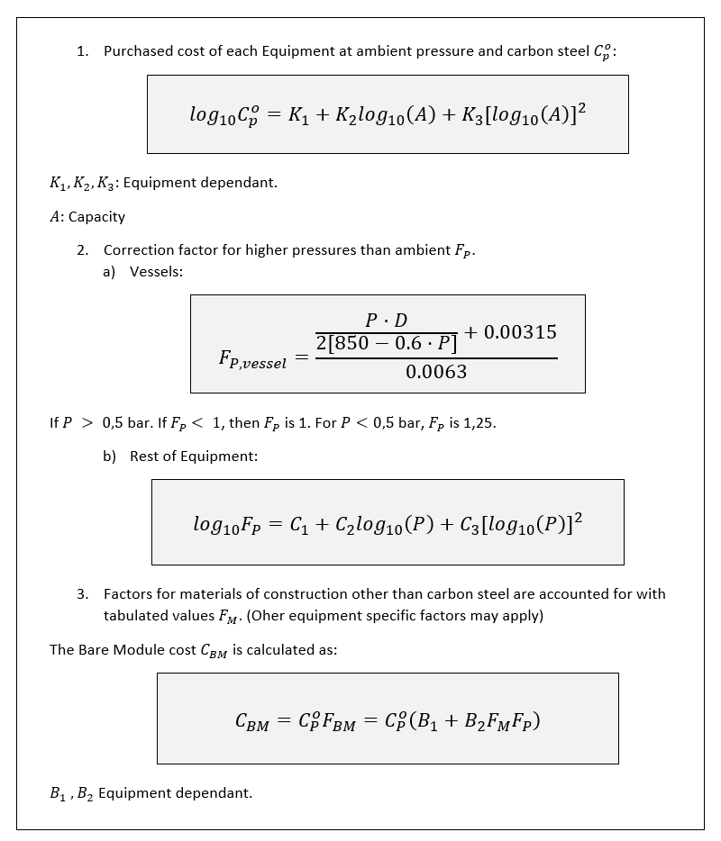
 | Correlation Input |  |  |  |  |  |  |  |  | Correlation Output
Unit Code | Equipment | Subtype | Capacity | Pressure | Units | Material | Scaling | Exp. | Other Spec. | CB0 | FP | FM/T/q | FBM | CMB | nº units | BEC in M
 | Blender | Kneader | 1 | - | m3 | - | No | 0.67 | - | 103300 | - | - | 1.12 | 115696
 | Blender | Ribbon | 1 | - | m3 | - | No | 0.67 | - | 13696 | - | - | 1.12 | 15340
 | Blender | Rotatory | 1 | - | m3 | - | No | 0.67 | - | 13696 | - | - | 1.12 | 15340
 | Centrifuge | Auto Batch Separator | 1 | - | m | - | No | 0.67 | - | 58627 | - | - | 1.57 | 92045
 | Centrifuge | Centrifugal Separator | 1 | - | m | - | No | 0.67 | - | 22972 | - | - | 1.57 | 36066
 | Centrifuge | Oscillating Screen | 1 | - | m | - | No | 0.67 | - | 72444 | - | - | 1.57 | 113736
 | Centrifuge | Solid Bowl w/o Motor | 1 | - | m | - | No | 0.67 | - | 93261 | - | - | 1.27 | 118441
 | Compressor | Centrifugal | 1 | - | kW | CS | No | 0.67 | - | 195 | - | - | 2.74 | 533
 | Compressor | Axial | 1 | - | kW | CS | No | 0.67 | - | 195 | - | - | 3.83 | 745
 | Compressor | Rotatory | 1 | - | kW | CS | No | 0.67 | - | 108518 | - | - | 2.41 | 261527
 | Compressor | Reciprocating | 1 | - | kW | CS | No | 0.67 | - | 195 | - | - | 3.37 | 656
 | Conveyor | Apron | 1 | - | m2 | - | No | 0.67 | - | 8424 | - | - | 2.00 | 16847
 | Conveyor | Belt | 1 | - | m2 | - | No | 0.67 | - | 11580 | - | - | 1.25 | 14475
 | Conveyor | Pneumatic | 1 | - | m2 | - | No | 0.67 | - | 45878 | - | - | 1.25 | 57347
 | Conveyor | Screw | 1 | - | m2 | - | No | 0.67 | - | 4038 | - | - | 1.10 | 4442
 | Crystallizer | Batch | 1 | - | m3 | - | No | 0.67 | - | 32337 | - | - | 1.60 | 51739
 | Drive | Explosion Proof | 1 | - | kW | - | No | 0.67 | - | 289 | - | - | 1.50 | 433
 | Drive | Totally Enclosed | 1 | - | kW | - | No | 0.67 | - | 90 | - | - | 1.50 | 136
 | Drive | Open/Drip Proof | 1 | - | kW | - | No | 0.67 | - | 893 | - | - | 1.50 | 1339
 | Drive | Gas Turbine | 1 | - | kW | - | yes | 0.67 | - | 0 | - | - | 3.50 | 0
 | Drive | Steam Turbine | 1 | - | kW | - | No | 0.67 | - | 423 | - | - | 3.50 | 1479
 | Drive | Internal Combustion | 1 | - | kW | - | No | 0.67 | - | 580 | - | - | 2.00 | 1160
 | Dryer | Drum | 1 | - | m2 | - | yes | 0.67 | - | 35253 | - | - | 1.60 | 56405
 | Dryer | Rotatory, Gas Fired | 1 | - | m2 | - | No | 0.67 | - | 3669 | - | - | 1.25 | 4586
 | Dryer | Tray | 1 | - | m2 | - | No | 0.67 | - | 4956 | - | - | 1.25 | 6195
 | Dust Collectors | Baghouse | 1 | - | m3/s | - | No | 0.67 | - | 31674 | - | - | 2.86 | 90587
 | Dust Collectors | Cyclone Scrubber | 1 | - | m3/s | - | No | 0.67 | - | 4264 | - | - | 2.86 | 12195
 | Dust Collectors | Electrostatic Precipitator | 1 | - | m3/s | - | No | 0.67 | - | 4264 | - | - | 2.86 | 12195
 | Dust Collectors | Venturi | 1 | - | m3/s | - | No | 0.67 | - | 4264 | - | - | 2.86 | 12195
 | Fan | Centrifugal Radial Fan | 1 | 1 | kW | CS | No | 0.67 | - | 3460 | 1.00 | - | 2.74 | 9481
 | Fan | Centrifugal Backward curved fan | 1 | 1 | kW | CS | No | 0.67 | - | 2224 | 1.00 | - | 2.74 | 6093
 | Fan | Axial Tube Fan | 1 | 1 | kW | CS | No | 0.67 | - | 1100 | 1.00 | - | 2.74 | 3014
 | Fan | Axial Vane Fan | 1 | 1 | kW | CS | No | 0.67 | - | 1500 | 1.00 | - | 2.74 | 4110
 | Filter | Bent | 1 | - | m2 | - | No | 0.67 | - | 127497 | - | - | 1.65 | 210370
 | Filter | Cartridge | 1 | - | m2 | - | No | 0.67 | - | 1624 | - | - | 1.65 | 2680
 | Filter | Disc and Drum | 1 | - | m2 | - | No | 0.67 | - | 64908 | - | - | 1.65 | 107099
 | Filter | Gravity | 1 | - | m2 | - | No | 0.67 | - | 18863 | - | - | 1.65 | 31123
 | Filter | Leaf | 1 | - | m2 | - | No | 0.67 | - | 6587 | - | - | 1.65 | 10869
 | Filter | Pan | 1 | - | m2 | - | No | 0.67 | - | 64908 | - | - | 1.65 | 107099
 | Filter | Plate and Frame | 1 | - | m2 | - | No | 0.67 | - | 18863 | - | - | 1.80 | 33953
 | Filter | Table | 1 | - | m2 | - | No | 0.67 | - | 127497 | - | - | 1.65 | 210370
 | Filter | Tube | 1 | - | m2 | - | No | 0.67 | - | 127497 | - | - | 1.54 | 196345
 | Fired Heater | Reformer Furnace | 1 | 1 | kW | CS | No | 0.67 | - | 1169 | 1.00 |  | 2.13 | 2491
 | Fired Heater | Pyrolisis Furnace | 1 | 1 | kW | CS | No | 0.67 | - | 243 | 1.00 | - | 2.13 | 518
 | Fired Heater | Process Heater | 1 | 1 | kW | CS | yes | 0.67 | - | 22325439 | 1.00 | - | 2.13 | 47553184
 | Fired Heater | Hot Water | 1 | 1 | kW | - | yes | 0.67 | - | 121 | 1.00 | - | 2.17 | 263
 | Fired Heater | Molten Salt, Mineral Oil, | 1 | 1 | kW | - | No | 0.67 | - | 16 | 1.00 | - | 2.17 | 34
 | Fired Heater | Diphenyl Based Oils | 1 | 1 | kW | - | No | 0.67 | - | 183 | 1.00 | - | 2.17 | 397
 | Fired Heater | Packaged Steam Boilers | 1 | 1 | kW | - | yes | 0.67 | 1 | 9155878 | 1.00 | 1.00 | 2.17 | 19904746
 | Evaporator | Forced Circulation | 1 | 1 | m2 | CS | No | 0.67 | - | 105633 | 1.00 | - | 2.90 | 306336
 | Evaporator | Falling Film | 1 | 1 | m2 | CS | No | 0.67 | - | 8164 | 1.00 | - | 2.25 | 18369
 | Evaporator | Agitated (Scraped Wall) | 1 | 1 | m2 | CS | No | 0.67 | - | 100000 | 1.00 | - | 2.25 | 225000
 | Evaporator | Short Tube | 1 | 1 | m2 | CS | No | 0.67 | - | 172425 | 1.00 | - | 2.90 | 500032
 | Evaporator | Long Tube | 1 | 1 | m2 | CS | No | 0.67 | - | 43853 | 1.00 | - | 2.90 | 127174
 | Heat Exchanger | Double Pipe | 1 | 1 | m2 | CS/CS | No | 0.67 | - | 2210 | 1.00 | 1 | 3.29 | 7271
 | Heat Exchanger | Multiple Pipe | 1 | 1 | m2 | CS/CS | No | 0.67 | - | 582 | 1.00 | 1 | 3.29 | 1916
 | Heat Exchanger | Fixed tube, sheet, or U tube | 1 | 1 | m2 | CS/CS | No | 0.67 | shell and tube | 21120 | 1.00 | 1 | 3.29 | 69486
 | Heat Exchanger | Floating Head | 1 | 1 | m2 | CS/CS | No | 0.67 | shell and tube | 67702 | 1.00 | 1 | 3.29 | 222739
 | Heat Exchanger | Bayonet | 1 | 1 | m2 | CS/CS | No | 0.67 | shell and tube | 18915 | 1.00 | 1 | 3.29 | 62229
 | Heat Exchanger | Kettle Reboiler | 1 | 1 | m2 | CS/CS | No | 0.67 | shell and tube | 29147 | 1.00 | 1 | 3.29 | 95895
 | Heat Exchanger | Scraped Wall | 1 | 1 | m2 | CS/CS | No | 0.67 | - | 6030 | 1.00 | 1 | 3.29 | 19838
 | Heat Exchanger | Teflon Tube | 1 | 1 | m2 | CS | No | 0.67 | - | 6400 | 1.00 | 1 | 3.29 | 21057
 | Heat Exchanger | Air Cooler | 1 | 1 | m2 | CS | No | 0.67 | - | 10804 | 1.00 | 1 | 3.29 | 35546
 | Heat Exchanger | Spiral Tube | 1 | 1 | m2 | CS/CS | No | 0.67 | shell and tube | 9799 | 1.00 | 1 | 3.29 | 32240
 | Heat Exchanger | Spiral Plate | 1 | 1 | m2 | CS | No | 0.67 | - | 45300 | 1.00 | 1 | 2.17 | 98301
 | Heat Exchanger | Flat Plate | 1 | 1 | m2 | CS | No | 0.67 | - | 46302 | 1.00 | 1 | 2.17 | 100475
 | Mixer | Impeller | 1 | - | kW | - | No | 0.67 | - | 7097 | - | - | 1.38 | 9794
 | Mixer | Propeller | 1 | - | kW | - | No | 0.67 | - | 20927 | - | - | 1.38 | 28879
 | Mixer | Turbine | 1 | - | kW | - | No | 0.67 | - | 2566 | - | - | 1.38 | 3541
 | Pump | Centrifugal pump | 1 | 1 | kW | CS | No | 0.67 | - | 2450 | 1.0 | 1.55 | 3.9825 | 9758
 | Pump | Positive Displacement | 1 | 1 | kW | CS | No | 0.67 | - | 3000 | 1 | 1.41 | 3.7935 | 11380
 | Pump | Reciprocating pump | 1 | 1 | kW | CS | No | 0.67 | - | 7406 | 1 | 1.46 | 3.861 | 28596
 | Reactor | Autoclave | 1 | - | m3 | - | No | 0.67 | - | 36199 | - | - | 4.0 | 144797
 | Reactor | Fermenter | 1 | - | m3 | - | No | 0.67 | - | 12741 | - | - | 4.0 | 50964
 | Reactor | Inoculum Tank | 1 | - | m3 | - | No | 0.67 | - | 6247 | - | - | 4.0 | 24990
 | Reactor | Jacketed Agitated | 1 | - | m3 | - | No | 0.67 | - | 12741 | - | - | 4.0 | 50964
 | Reactor | Jacketed Non-Agitated | 1 | - | m3 | - | No | 0.67 | - | 2237 | - | - | 4.0 | 8947
 | Reactor | Mixer/Settler | 1 | - | m3 | - | No | 0.67 | - | 51475 | - | - | 4.0 | 205902
 | Screen | DSM | 1 | - | m2 | - | No | 0.67 | - | 6383 | - | - | 1.34 | 8553
 | Screen | Rotatory | 1 | - | m2 | - | No | 0.67 | - | 11181 | - | - | 1.34 | 14983
 | Screen | Stationary | 1 | - | m2 | - | No | 0.67 | - | 6636 | - | - | 1.34 | 8892
 | Screen | Vibrating | 1 | - | m2 | - | No | 0.67 | - | 11181 | - | - | 1.34 | 14983
 | Tank | Fixed Roof | 1 | - | m3 | - | No | 0.67 | - | 70941 | - | - | 1.1 | 78036
 | Tank | Floating Roof | 1 | - | m3 | - | No | 0.67 | - | 905107 | - | - | 1.1 | 995618
 | Turbine | Axial | 1 | - | kW | CS | No | 0.67 | - | 507 | - | - | 3.5 | 1775
 | Turbine | Radial | 1 | - | kW | CS | No | 0.67 | - | 177 | - | - | 3.5 | 619
 | Vaporizer | Jacketed Vessel | 1 | 1 | m3 | CS | No | 0.67 | - | 7501 | 1.00 | - | 2.74 | 20552
 | Vaporizer | Internal Coil | 1 | 1 | m3 | CS | No | 0.67 | - | 10914 | 1.00 | - | 3.03 | 33071
 | Vaporizer | Jacketed Vessel w/ Coil | 1 | 1 | m3 | CS | No | 0.67 | - | 10914 | 1.00 | - | 3.03 | 33071
 | Vessel | Horizontal | 1 | 1 | m3 | CS | No | 0.67 | 1 | 3602 | 1.00 | 1 | 3 | 10841
 | Vessel | Vertical | 1 | 1 | m3 | CS | No | 0.67 | 1 | 3143 | 1.000 | 1 | 4 | 12794
 | Tower Trays | Sieve | 1 | - | m2 | CS | No | 0.67 | 1 | 988 | - | 3.00 | 1 | 2965
 | Tower Trays | Valve | 1 | - | m2 | CS | No | 0.67 | 1 | 2149 | - | 3.00 | 1 | 6446
 | Tower Trays | Demister | 1 | - | m2 | CS | No | 0.67 | 1 | 1719 | - | 3.0 | 1 | 5157
 | Tower Packing | Packing | 1 | - | m3 | Ceramic | No | 0.67 | - | 281 | - | - | 4.14 | 1165

